Instructions
Step-by-Step Instructions to Search for Measures Using this Excel File
 | This spreadsheet is a tool that eligible providers (EPs) can use to search for measures in the 2015 PQRS Program. The second tab of this file, titled "2015 PQRS All Measures" includes the full set of measures reportable in 2015 PQRS through any reporting mechanism. EPs can use this resource to find measures in any number of ways and then then use the measure specification manuals to dive deeper into any given measure. For guidance on how to search for measures, please see step by step instructions on how to execute the following basic functions: 1. Search by measure number 2 Search by NQS domain 3. Search by reporting method 4. Search using keywords
 | 1. Search by Measure Number

 | Step 1: Identify the type of measure number you are searching by (CMS, NQF, PQRS) and click on the arrow below that program

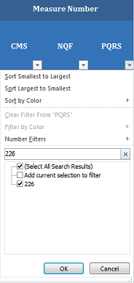

 | Step 2: Once the arrow is selected, a drop down menu will appear. Input the measure number you are searching for and select "OK"

 | Step 3: This excel function will filter out all other measures, leaving you with just the measure with the number you are searching for

 | Step 4: To undo your search (so that you might search for something else), reclick the arrow that is filtered and select "Clear Filter From '…'".
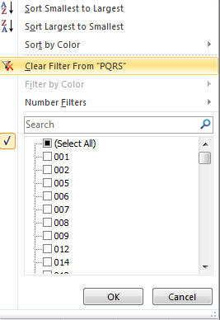

 | 2. Search by NQS Domain

 | Step 1: Select the arrow below the NQS Domain header (in Column G)

 | Step 2: Once the arrow is selected, a drop down menu will appear. Select all NQS Domains you are searching for (i.e., Effective Clinical Care)and select "OK"
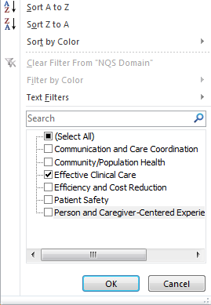

 | Step 3: This will filter out all other measures, leaving you only with measures in the NQS Domain you are searching for
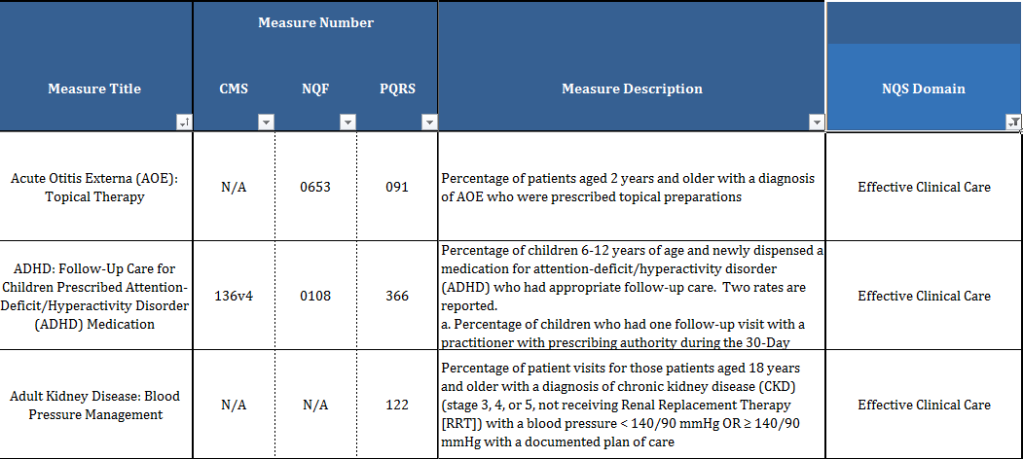

 | Step 4: To undo your search (so that you might search for something else), reclick the arrow that is filtered and select "Clear Filter From 'NQS Domain' ".
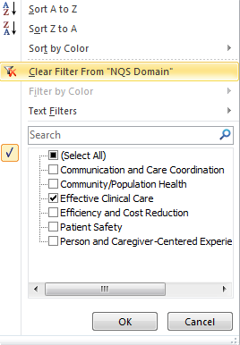

 | 3. Search by Reporting Method

 | Step 1: Select the arrow below the reporting method you are searching for

 | Step 2: Once the arrow is selected, a drop down menu will appear. Unselect the "-" so that only the "X" is marked. Then select "OK"

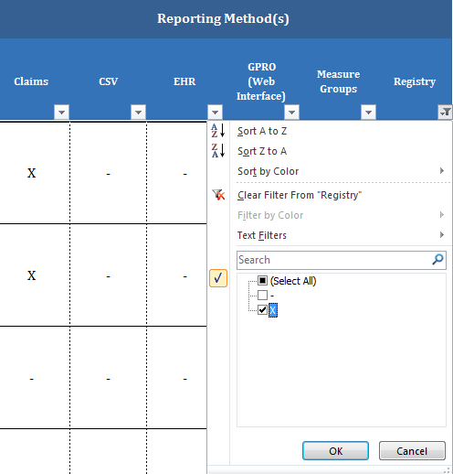

 | Step 3: This excel function will filter out all other measures, leaving you only with measures reportable via the chosen reporting option

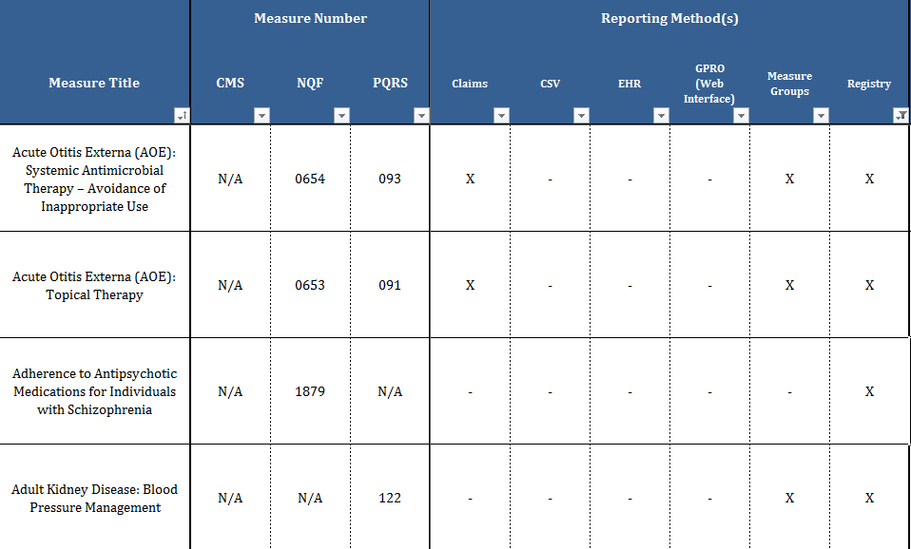

 | Step 4: To undo your search (so that you might search for something else), reclick the arrow that is filtered and select "Clear Filter From 'Registry' ".
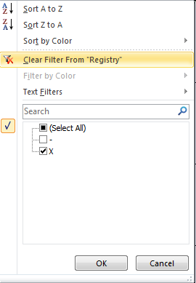

 | 4. Search using Keywords

 | Step 1: Select the arrow below the Measure Title column

 | Step 2: Once the arrow is selected, a drop down menu will appear. Input a key word you are searching for (i.e., "Parkinson") and select "OK"

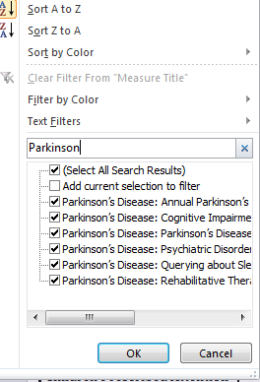

 | Step 3: This excel function will filter out all other measures, leaving you only with measures with the word "Parkinson" in the measure title
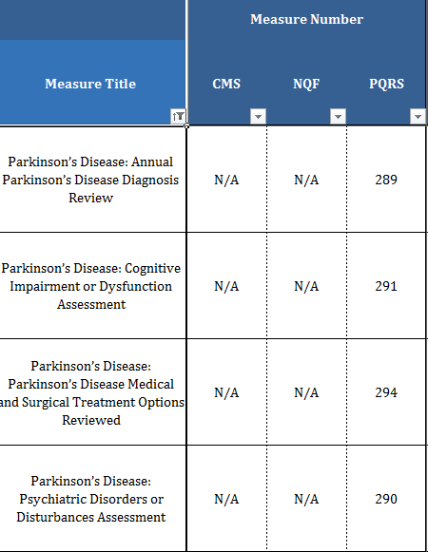

 | Step 4: To undo your search (so that you might search for something else), reclick the arrow that is filtered and select "Measure Title' ".
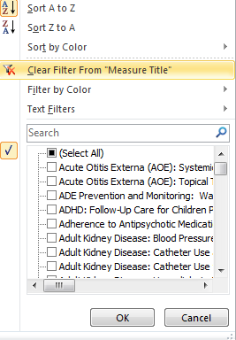

 | Note: this same function can be conducted in the measure description column as well.

